Form
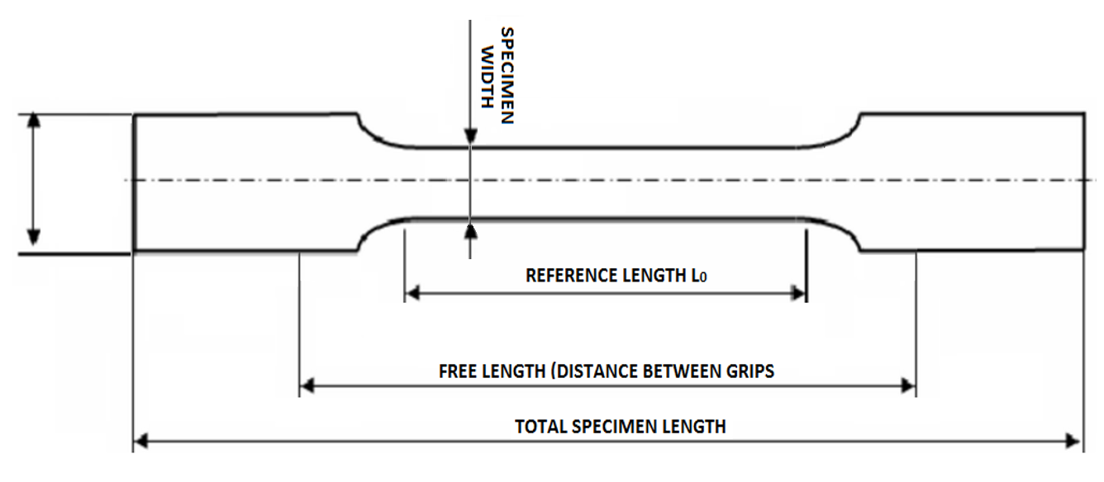
 |  | CUSTOMER
 |  | CUSTOMERS PROJECT ID
 |  | UGC PROJECT ID

INQUIRY FORM
 |  |  |  |  |  |  |  |  |  |  |  | ----- | ----- | ----- | -----
TEST SPECIFICATION | TEST TYPE | TENSILE |  | TENSILE | PLANAR MEASUREMENT | LINE MEASUREMENT | AMBIENT | UNIAXIAL | <50Hz | METAL | PLANAR/FLAT | CLASS 0,5 | GRADE A | ANALOG 0-5V 14bit | ANALOG | TRIPOD (PORTABLE)
 | 2D/3D | PLANAR MEASUREMENT |  | COMPRESSION | SPATIAL MEASUREMENT | AREA MEASUREMENT | HIGH | MULTIAXIAL | 50-100Hz | PLASTIC | ROUNDED | CLASS 1 | GRADE B-1 | ANALOG +-10V 16bit | DIGITAL (WILL BE DEFINED) | MAGIC ARM
 | TYPE OF ANALYSIS | LINE MEASUREMENT |  | BENDING |  |  | LOW |  | 100-200Hz | RUBBER | FLAT AND ROUND | CLASS 2 | GRADE B-2 | DIGITAL COM PORT |  | ALU PROFILE MOUNTING ARM
 | LOADING AXES | UNIAXIAL |  | SHEAR |  |  |  |  | >200Hz | COMPOSITE |  |  | GRADE C | DIGITAL TCP/IP |  | ALU PROFILE STAND
 | TEMPERATURE | AMBIENT | ??°C |  |  |  |  |  |  |  |  |  |  |  |  | CUSTOMERS OWN SOLUTION
 | SAMPLING FREQUENCY | <50Hz |  | OTHER |  |  |  |  |  | BIO |  |  | GRADE D | DOLI BINARY PROTOCOL
 | PREFERRED WORKING DISTANCE | ??mm
SPECIMEN SPECIFICATION | SPECIMEN MATERIAL | METAL |  |  |  |  |  |  |  | WOOD |  |  | GRADE E
 | SPECIMEN TYPE | PLANAR/FLAT |  |  |  |  |  |  |  | OTHER
 | SPECIMEN LENGTH | ?? | mm
 | REFERENCE LENGTH L0 | ?? | mm
 | MAXIMAL EXPECTED DEFORMATION | ?? | %
 | TOTAL FREE LENGTH (BETWEEN GRIPS) | ?? | mm
 | SPECIMEN WIDTH | ?? | mm
SYSTEM SPECIFICATION | REQUIRED ACCURACY GRADE/RESOLUTION [μm] * | CLASS 0,5 | ISO9513
 |  | or
 |  | ----- | ASTM E83
 |  | or
 |  | ?? | μm *
 | MAKE OF TEST MACHINE | MANUFACTURER | TYPE
 | MACHINE DATA INPUT | -----
 | MACHINE DATA OUTPUT | -----
 | MOUNTING | TRIPOD (PORTABLE)
* if μm value is specified this resolution will be taken into account during quotation

NOTES |  | By filling out this form
 |  | Universal Grip will be able to offer the best solution
 |  | email to christhomas@universalgripco.com

